Overview - Instructions

RealPlay® Open Source Tool

Readiness Self-Assessment



This open source tool is a component of the broader award winning Vested/Vested Outsourcing® research developed in conjunction with the University of Tennessee. RealPlay® was created by University of Tennessee’s faculty member Kate Vitasek to interactively help those taking the Vested+A21 courseware gain a deeper understanding of the material that is presented. RealPlay takes role-playing to the next level. Instead of merely being assigned roles and a potential problem or situation to work through, RealPlay has course attendees bring in their own problems and situations into the classroom. This allows course attendees to take the material they have just covered and immediately apply it to their personal situations and gain a deeper, more complete understanding of the material. Instead of just theories about how Vested could be used in their company to build a better relationship, RealPlay allows individuals to bring back concrete materials that show how the Vested methodology can benefit their relationship.
Purpose:

The objective of completing the Vested Readiness Self-Assessment is to help you identify any gaps you need to close in your readiness before you jump in to create an actual Vested Agreement with your potential partner. The objective of the Readiness Self-Assessment Consensus Template is to assist you in recording the results that each respondent will receive from completing the Vested Readiness Self-Assessment.

Many organizations find it helpful to work with a Vested Center of Excellence to perform a formal Deal Review of an existing agreement. A key part of the Deal Review process is doing a deep dive of you and your partnerships readiness. You can learn more about a Deal Review by using this link.

Step 1: Take the Readiness Self-Assessment

The Readiness Self-Assessment is essential if you are considering moving from the Understanding phase to the Implementation phase of your Vested journey. When you use the link below to access the online self-assessment, you will get an email back promptly (typically within 5 minutes) that provides a summary as well as a high level diagnostic of your agreement. The assessment is color coded to highlight the magnitude of the gaps, with red meaning you have large gaps you will need to close.
Link to Readiness Self-Assessment

If possible, we recommend having the key stakeholders you identified as part of your Stakeholder Analysis complete the Readiness Self-Assessment. The survey is 15 questions long and typically takes less than 5 minutes to complete. Having the stakeholders complete the self-assessment will give you a feel for how well the various stakeholders perceive any gaps in your readiness. We find that stakeholders often have wide range of opinions – and it is comforting to validate your intuition of your readiness with your stakeholder’s views.

To complete as a group, have each of the stakeholders who took the assessment forward their results to a designated person who can compile all of the results using the Consensus Template tab. Gather all responses of the Readiness Self-Assessment and develop a summary from the responses.

Step 2: Compile the Data from the Respondents

A University of Tennessee faculty member will be happy to compile a customized report for your organization for a $500 – with all proceeds going to the Vested Research Fund. Send an email to a Vested Faculty member at VestedFaculty@utk.edu to ask questions about how to get your customized assessment report launched.

Each individual who completes the Vested Readiness Assessment will receive a result like the one below:

For each respondent, enter the Values into the table on the Consensus Template tab of this spreadsheet. Group them according to the company that they represent (Buyer vs. Service Provider). Overwrite the placeholder values in the first two columns of each company.

When completed, the horizontal blue bars will automatically be adjusted to the minimum and maximum scores for the combined team.

Step 3: Adjust the Markers

The next step is to adjust the markers for the Company (Buyer), Service Provider and Combined for each category. Unfortunately, this must be done by hand - there is no function for this in Excel.

For each line in the chart, move the "C" to correspond with the appropriate value in the chart, according to the legend at the bottom of the chart.

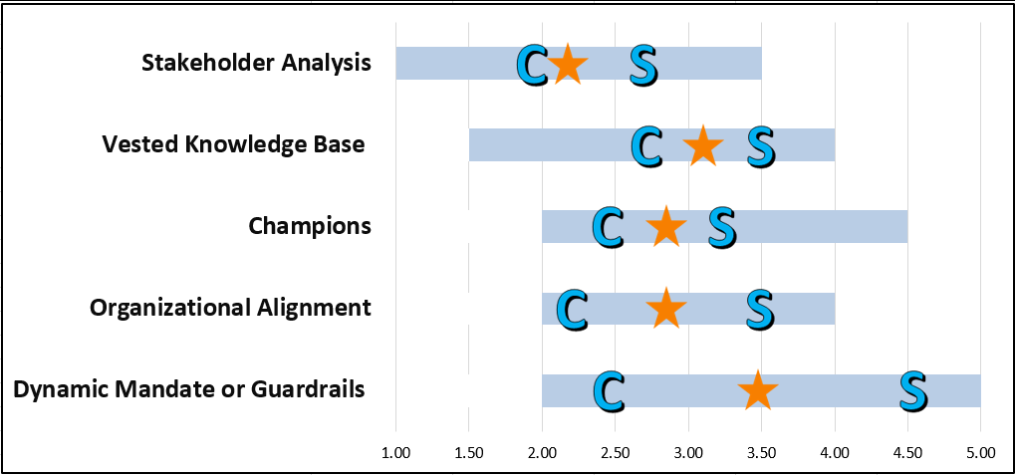

Repeat the process for all of the "S" and Star symbols.

Step 4: Print the results and distibute to the team

The Consensus Template tab has been formatted to give you the following printout (with your results and data) to share with your team.
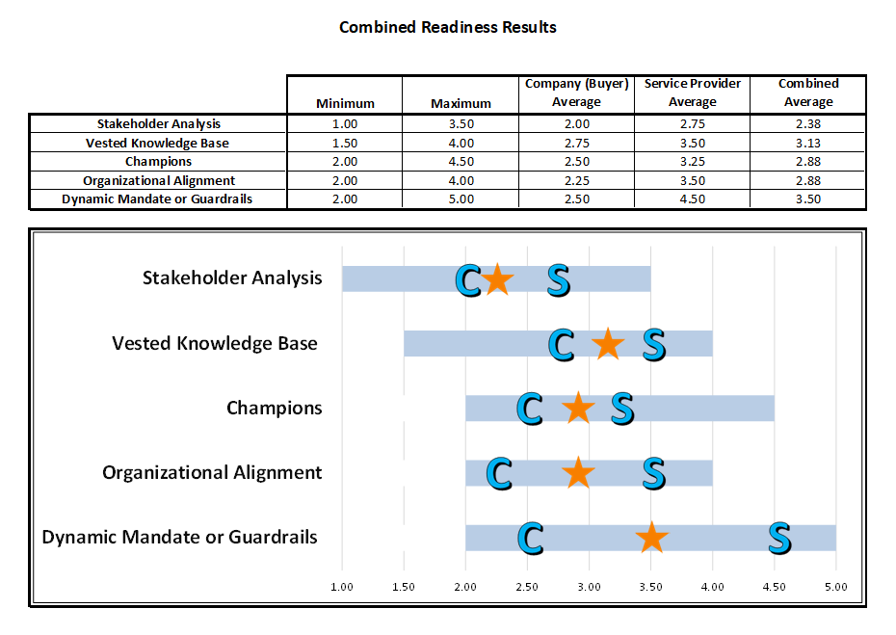

This document is provided as part of the Vested “Open Source Material.” “Open Source Material” includes the Vested Orientation Course and associated PowerPoint slides, items in the Open Source “Toolkit,” and the ability to redistribute any of our white papers and case studies contained in our Vested library, as well as the ability to redistribute The Vested Way eBook.

We encourage you to share some or all of the Vested Open Source Material pending compliance with the following distribution guidelines and terms of use: • Please do not alter any Open Source Material in terms of the template, background, colors, or the Vested images used. • If you use Open Source Material in your own document, you must provide the following attribution: “Source: Used with permission. Vested® www.vestedway.com. Vested, Inc.” • Always write the word “Vested” with an uppercase “V.” • Please use the word “Vested” throughout any presentation, except where you are referring to the outsourcing industry, in which case the words “Vested Outsourcing” must be used. • Please do not abbreviate “Vested Outsourcing” as “VO.” • Please do not commercially sell, rent, or profit from the use of this Open Source Material unless Vested Outsourcing gives you explicit prior written permission to do so.

The complete terms of use is located at http://www.vestedway.com/terms-of-use-agreement-open-source-material/. If you would like to use this material for commercial purposes / for profit basis, please contact Kate Vitasek at kvitasek@utk.edu.


If you have questions for the Vested Faculty, email VestedFaculty@utk.edu

©2019 Vested Outsourcing Inc. – All Rights Reserved

Sourcing Business Models, VESTED®, Vested Outsourcing®, RealPlay®, Getting to We®, the Vested business model and the Vested concepts and related intellectual property originally evolved from a research project conducted by the University of Tennessee’s Haslam College of Business Administration. The service marks, trade names, trade dress and related intellectual property are the property of Vested Outsourcing, Inc. and are subject to Terms of Use located at www.vestedway.com/termsofuse

Consensus Template
 | Buyer - Respondent |  |  |  |  |  |  |  |  |  |  |  |  |  |  |  |  |  |  |  | Service Provider - Respondent
 | 1 | 2 | 3 | 4 | 5 | 6 | 7 | 8 | 9 | 10 | 11 | 12 | 13 | 14 | 15 | 16 | 17 | 18 | 19 | 20 | 1 | 2 | 3 | 4 | 5 | 6 | 7 | 8 | 9 | 10 | 11 | 12 | 13 | 14 | 15 | 16 | 17 | 18 | 19 | 20 | Company (Buyer) Average | Service Provider Average | Combined Average | Minimum Value | Maximum Value
Stakeholder Analysis | 1.00 | 3.00 |  |  |  |  |  |  |  |  |  |  |  |  |  |  |  |  |  |  | 3.50 | 2.00 |  |  |  |  |  |  |  |  |  |  |  |  |  |  |  |  |  |  | 2.00 | 2.75 | 2.38 | 1.00 | 3.50 | Stakeholder Analysis
Vested Knowledge Base | 1.50 | 4.00 |  |  |  |  |  |  |  |  |  |  |  |  |  |  |  |  |  |  | 4.00 | 3.00 |  |  |  |  |  |  |  |  |  |  |  |  |  |  |  |  |  |  | 2.75 | 3.50 | 3.13 | 1.50 | 4.00 | Vested Knowledge Base
Champions | 2.00 | 3.00 |  |  |  |  |  |  |  |  |  |  |  |  |  |  |  |  |  |  | 4.50 | 2.00 |  |  |  |  |  |  |  |  |  |  |  |  |  |  |  |  |  |  | 2.50 | 3.25 | 2.88 | 2.00 | 4.50 | Champions
Organizational Alignment | 2.50 | 2.00 |  |  |  |  |  |  |  |  |  |  |  |  |  |  |  |  |  |  | 4.00 | 3.00 |  |  |  |  |  |  |  |  |  |  |  |  |  |  |  |  |  |  | 2.25 | 3.50 | 2.88 | 2.00 | 4.00 | Organizational Alignment
Dynamic Mandate or Guardrails | 2.00 | 3.00 |  |  |  |  |  |  |  |  |  |  |  |  |  |  |  |  |  |  | 5.00 | 4.00 |  |  |  |  |  |  |  |  |  |  |  |  |  |  |  |  |  |  | 2.50 | 4.50 | 3.50 | 2.00 | 5.00 | Dynamic Mandate or Guardrails

 | Minimum | Maximum | Company (Buyer) Average | Service Provider Average | Combined Average
Stakeholder Analysis | 1.00 | 3.50 | 2.00 | 2.75 | 2.38
Vested Knowledge Base | 1.50 | 4.00 | 2.75 | 3.50 | 3.13
Champions | 2.00 | 4.50 | 2.50 | 3.25 | 2.88
Organizational Alignment | 2.00 | 4.00 | 2.25 | 3.50 | 2.88
Dynamic Mandate or Guardrails | 2.00 | 5.00 | 2.50 | 4.50 | 3.50

 |  |  |  |  |  |  | Note: "C", "S" and Star symbols must be manually placed
 |  |  |  |  |  |  | to correspond with with the values in the table above
 |  |  |  |  |  |  | the graphic chart

DO NOT MAKE ANY CHANGES OR MODIFICATIONS TO THIS TABLE
 | Minimum | Maximum | Company (Buyer) Average | Service Provider Average | Combined Average
Dynamic Mandate or Guardrails | 2.00 | 3.00 | 2.50 | 4.50 | 3.50
Organizational Alignment | 2.00 | 2.00 | 2.25 | 3.50 | 2.88
Champions | 2.00 | 2.50 | 2.50 | 3.25 | 2.88
Vested Knowledge Base | 1.50 | 2.50 | 2.75 | 3.50 | 3.13
Stakeholder Analysis | 1.00 | 2.50 | 2.00 | 2.75 | 2.38

